Sheet1
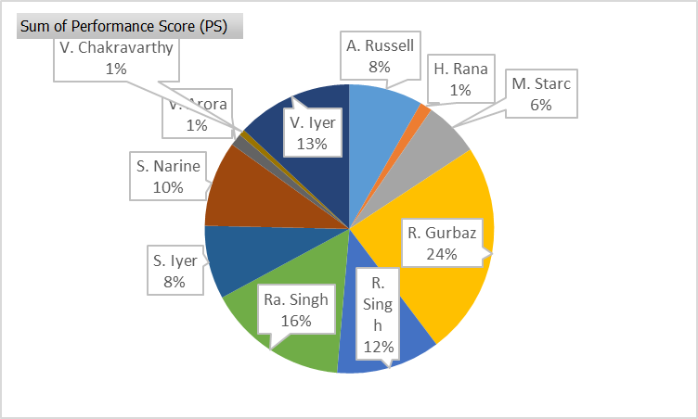
Player Name | Clean Picks (CP) | Good Throws (GT) | Catches (C) | Dropped Catches (DC) | Stumpings (S) | Run Outs (RO) | Missed Run Outs (MR) | Direct Hits (DH) | Runs Saved (RS) | Performance Score (PS)
R. Gurbaz | 10 | 0 | 3 | 0 | 0 | 0 | 0 | 0 | 16 | 35
S. Narine | 3 | 2 | 1 | 0 | 0 | 0 | 0 | 0 | 6 | 14
V. Iyer | 4 | 3 | 0 | 0 | 0 | 0 | 0 | 0 | 12 | 19
S. Iyer | 3 | 6 | 0 | 0 | 0 | 0 | 1 | 0 | 5 | 12
R. Singh | 5 | 4 | 0 | 0 | 0 | 0 | 0 | 0 | 8 | 17
A. Russell | 2 | 4 | 0 | 0 | 0 | 0 | 0 | 0 | 6 | 12
Ra. Singh | 4 | 7 | 1 | 0 | 0 | 0 | 0 | 0 | 9 | 23
M. Starc | 1 | 3 | 2 | 1 | 0 | 0 | 0 | 0 | 2 | 9
V. Arora | 1 | 0 | 0 | 0 | 0 | 0 | 0 | 0 | 1 | 2
H. Rana | 0 | 2 | 0 | 0 | 0 | 0 | 0 | 0 | 0 | 2
V. Chakravarthy | 2 | 1 | 0 | 1 | 0 | 0 | 0 | 0 | 1 | 1

Match : IPL 2024 FINAL |  | Innings: First Innings

